5_Visualizations
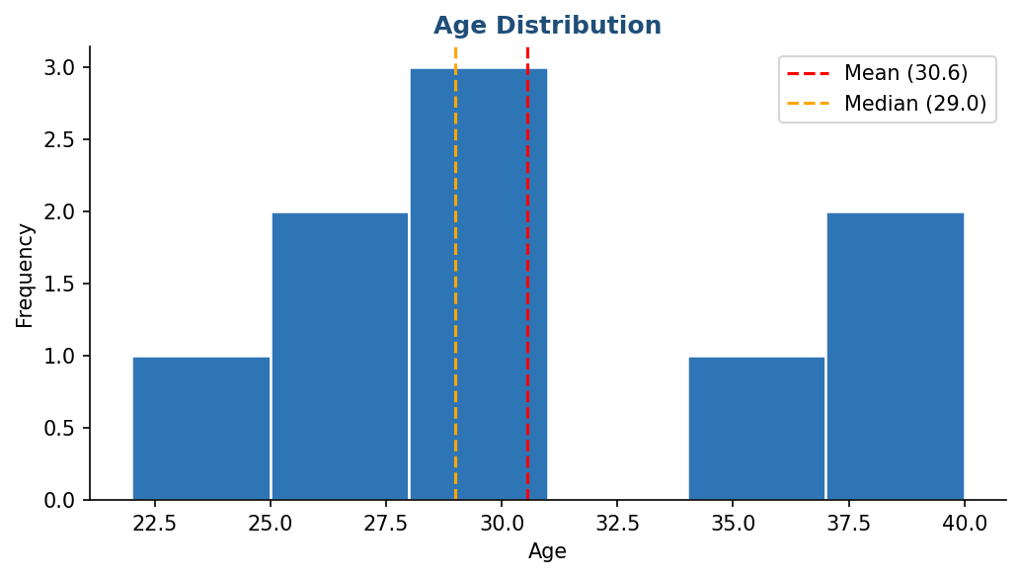
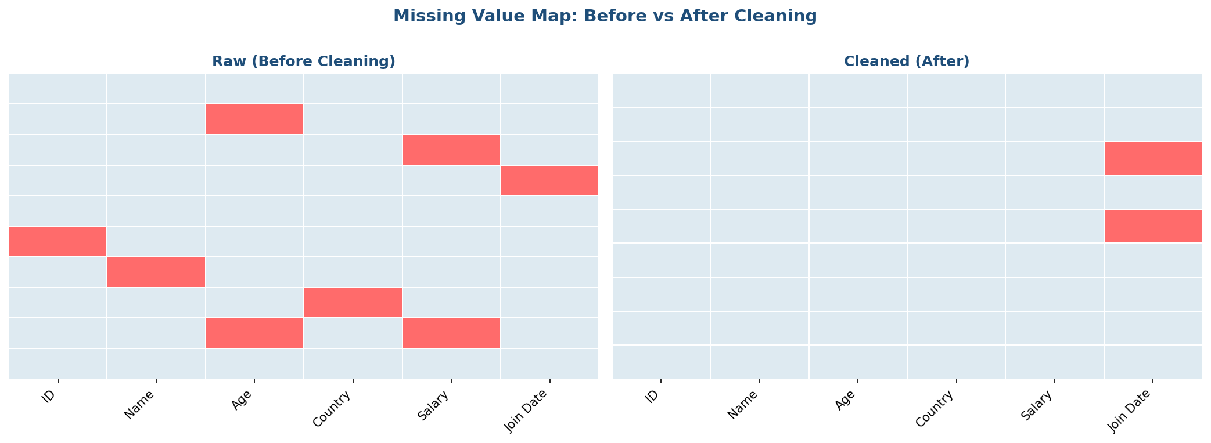
Data Visualizations – Correlation Heatmap, Outlier Analysis & Distribution
Fig 1 – Pearson Correlation Heatmap | Fig 2 – Age vs Salary Scatter & Regression
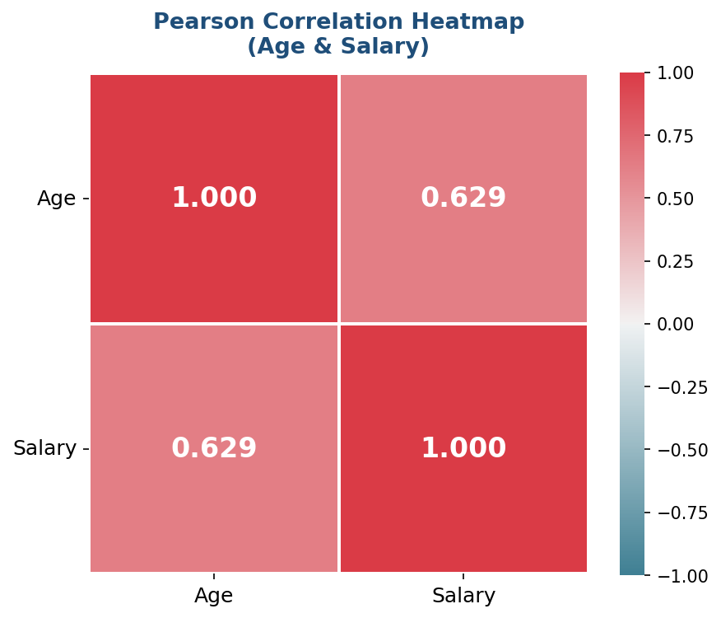
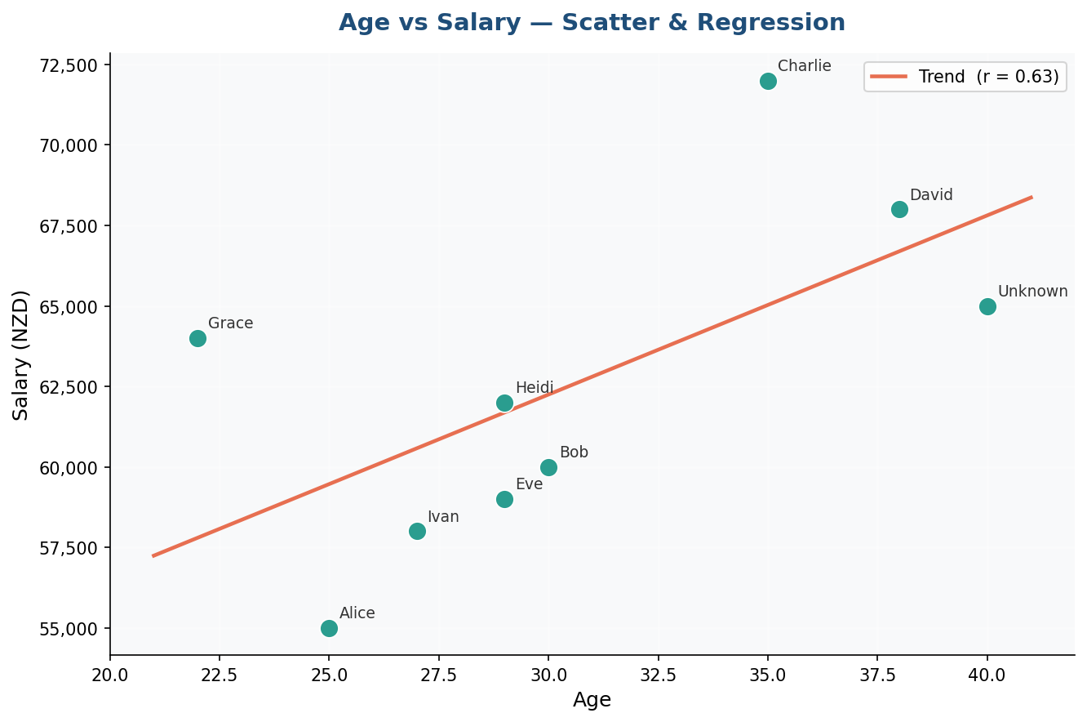

Fig 3 – Box Plots (IQR Outlier Detection) | Fig 4 – Average Salary by Country
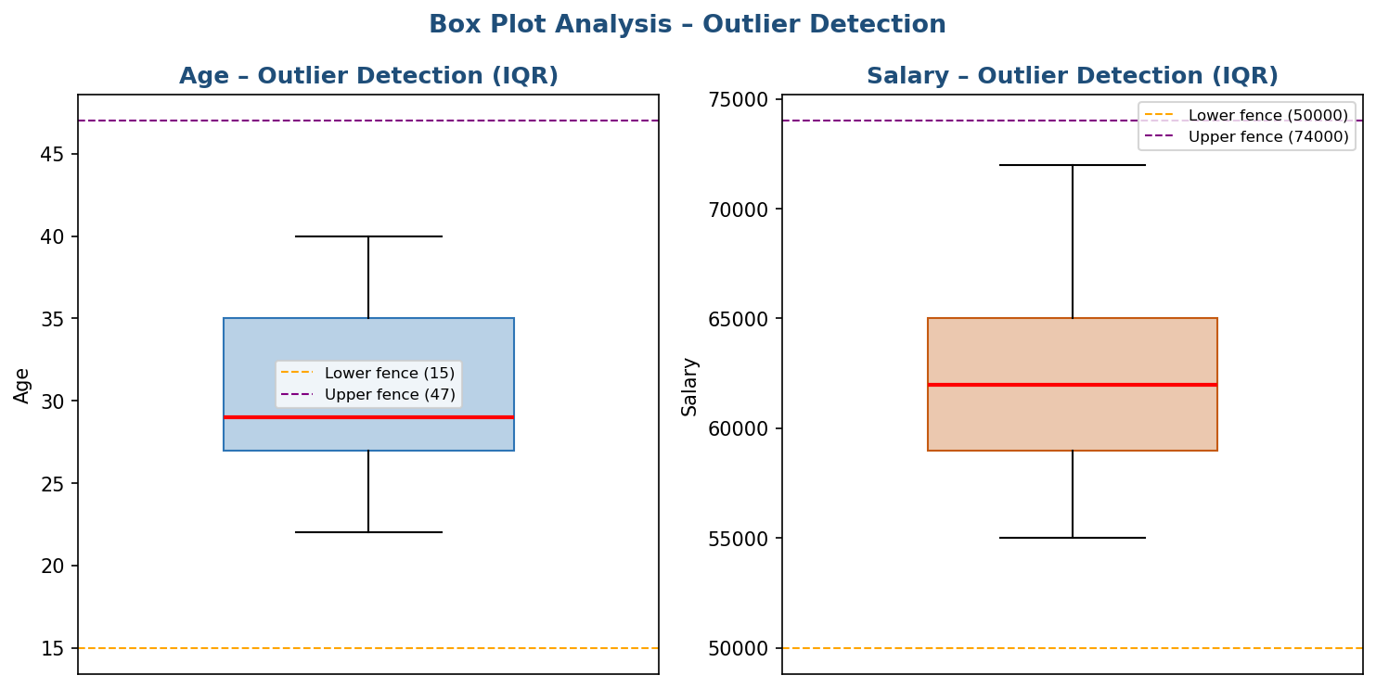
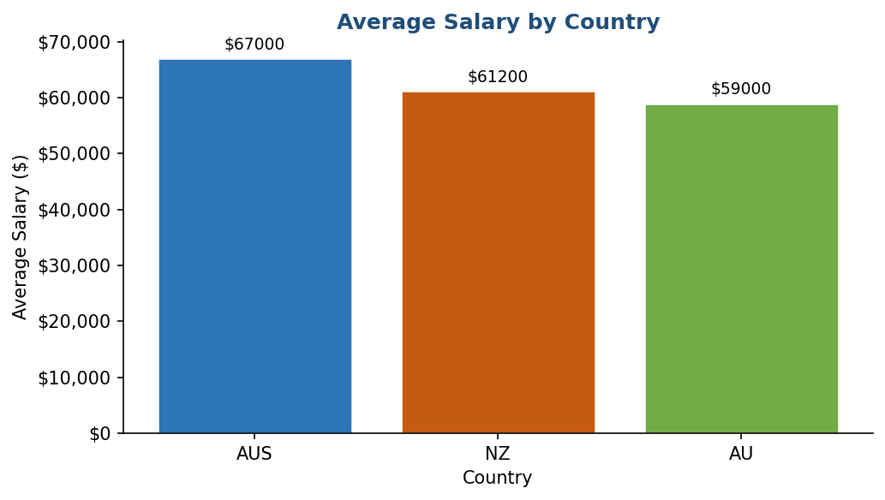

Fig 5 – Age Distribution | Fig 6 – Missing Value Map: Before vs After Cleaning

